READ ME
Read Me Sheet

SET UP – Workmanship Quality Checklist

Introduction
This checklist allows for the identification of workmanship related issues of an SPIS installation.

Tips & Tricks
● This tool is in a checklist format and can be completed by simply entering text and values into corresponding cells.
● This tool contains no critical formulas or calculations.

Overview
This tool comprises the following sheets:

1. Workmanship Checklist |  | for systematically inspecting the SPIS installation

About
Published by: | GIZ & FAO
Responsible: | GIZ project Sustainable Energy for Food - Powering Agriculture

Contact: | Powering.Agriculture@giz.de
Download link: | https://energypedia.info/wiki/Toolbox_on_SPIS
About: | Powering Agriculture: An Energy Grand Challenge for Development. Available at:

 | https://poweringag.org
Version: | 1.1 (November 2018)

The Toolbox on Solar Powered Irrigation Systems is made possible through the global initiative Powering Agriculture: An Energy Grand Challenge for Development (PAEGC). In 2012, the United States Agency for International Development (USAID), the Swedish International Development Cooperation Agency (Sida), the German Federal Ministry for Economic Cooperation and Development (BMZ), Duke Energy, and the Overseas Private Investment Cooperation (OPIC) combined resources to create the PAEGC initiative. The objective of PAEGC is to support new and sustainable approaches to accelerate the development and deployment of clean energy solutions for increasing agriculture productivity and/or value for farmers and agribusinesses in developing countries and emerging regions that lack access to reliable, affordable clean energy.

The designations employed and the presentation of material in this information product do not imply the expression of any opinion whatsoever on the part of Deutsche Gesellschaft für Internationale Zusammenarbeit (GIZ) GmbH, Food and Agriculture Organization of the United Nations (FAO) or any of the PAEGC Founding Partners concerning the legal or development status of any country, territory, city or area or of its authorities, or concerning the delimitation of its frontiers or boundaries. The mention of specific companies or products of manufacturers, whether or not these have been patented, does not imply that these have been endorsed or recommended by GIZ, FAO, or any of the PAEGC Founding Partners in preference to others of a similar nature that are not mentioned. The views expressed in this information product are those of the author and do not necessarily reflect the views or policies of GIZ, FAO, or any of the PAEGC Founding Partners.

GIZ, FAO and the PAEGC Founding Partners encourage the use, reproduction and dissemination of material in this information product. Except where otherwise indicated, material may be copied, downloaded and printed for private study, research and teaching purposes, or for use in non-commercial products or services, provided that appropriate acknowledgement of GIZ and FAO as the source and copyright holder is given.

© GIZ and FAO, 2018

Workmanship Checklist
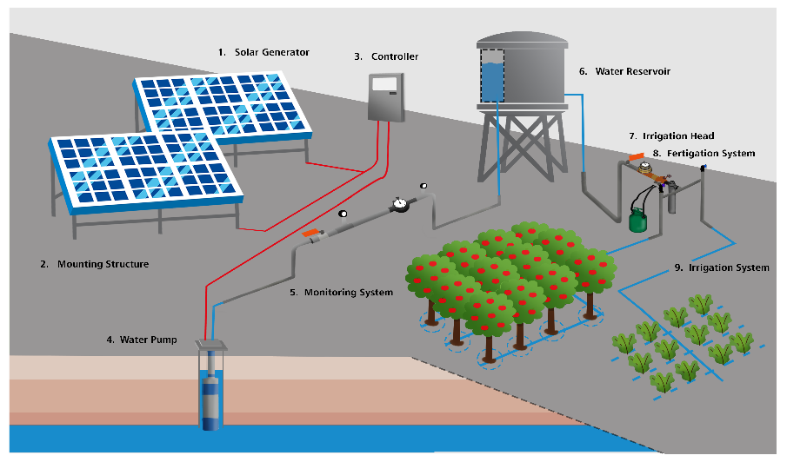
SET UP – Workmanship Quality Checklist
This checklist is designed for SPIS clients and agricultural extension agents who want to verify the quality of workmanship for an SPIS installation. The checklist helps to assess if the quality of installation adheres to best practices, safety requirements and overall installation sustainability. It does not replace the detailed component compliance, performance verification and workmanship checklist of the installer or an external inspector.
Farm name:
SPIS supplier name:
SPIS installer name:
Inspection date:
 |  | Yes or No? | Comment and feedback to installer
0. General | Did the farm manager receive written instructions on operation and maintenance of the SPIS components? | No
0. General | Did the farmer receive on-site training on operation, maintenance and potential troubleshooting of the SPIS components? | No
0. General | Did the farmer receive contact details for technicians and other technical support? | No
0. General | Component compliance: are all the components installed (type, brand, size, etc.) exactly the same as what was designed/invoiced? | No
0. General | Has an acceptance and system test taken place after installation and do all the components, and the entire system, perform as designed? | No
0. General | Is the installation properly protected from theft, stray animals, vandalism etc? Is the fence high, strong enough? | No
0. General | Have the solar panels been clearly and prominently marked (on the underside) with the owner or location details or other unique identification? | No
0. General | Have the serial numbers of key components been recorded in order to clearly claim ownership in the event of theft? | No
1. Solar Generator | Are the solar panels of good quality and free from cracks, brown spots, burn marks, other abnormalities ? | No
1. Solar Generator | Is the solar panel cabling of good quality with no loose, unsealed or hanging cables? No exposed copper wire visible? No cables exposed to weather (sun/rain)? | No
1. Solar Generator | Are the solar panels securely mounted (no loose or missing bolts) on the mounting structure? | No
2. Mounting structure | Are solar panels well placed with no risk of shade or shadow in future (e.g. small trees)? Have any objects that might shadow the solar panels been removed? | No
2. Mounting structure | Is there enough space between the panels and other components to allow proper maintenance (e.g. cleaning of solar panels)? | No
2. Mounting structure | Are metal frames free from any signs of corrosion or rust? Note: metal frames should not touch the aluminum solar panel frames as this might increase risk of galvanic corrosion. | No
2. Mounting structure | Is the mounting structure stable and sturdy to withstand strong winds? Are there sufficient cross beams to avoid frame twisting? | No
2. Mounting structure | If the mounting structure is cast into a cement foundation, are the foundation without cracks and cavities? Does the foundation appear strong enough when hitting/kicking it? | No
3. Controller/ Inverter | Are the controller electronics protected against rain, in a rain proof casing or protected from animals/insects and vandals? - Check for signs of inhabitations, tightness of cable-glands, locks | No
3. Controller/ Inverter | Controller cannot over-heat, is not placed in an additional sealed box and is placed with sufficient ventilation around it? | No
3. Controller/ Inverter | Grounding/ earthing: Are the vital components of the solar generator protected against lightning? Are grounding cables (usually green/yellow insulation) installed? | No
4. Water pump | Is the pump installation properly protected from theft, stray animals, vandalism, flooding, etc? | No
4. Water pump | Was a well pump installed with a safety rope to allow for safe installation and extraction and is the safety rope secured well at the well base? | No
4. Water pump | Are trees in close proximity to the borehole removed to avoid roots entering and blocking the borehole? | No
4. Water pump | Are the electric cable and water pipe (feeder pipe) exiting the well or borehole protected from chafing and bending or kinks? | No
5. Monitoring system | Are the gauges protected from damage through exposure to weather, people and animals? | No
6. Reservoir | Are feeder pipes leading to and from the reservoir protected against physical damage and securely fastened? Protected against direct sunshine? | No
6. Reservoir | If the reservoir or tank stand is placed onto a concrete foundation, are the foundations free from cracks and cavities? Does the foundation appear strong enough? | No
6. Reservoir | If a tank stand is used, is it securely fixed onto the ground, with sufficient cross bars, to avoid toppling over? | No
6. Reservoir | Can the reservoir be easily maintained (e.g. cleaned from algae and sediments)? - Check for drainage pipes, and easy access to clean the inside | No
6. Reservoir | Is the reservoir closed at the top in order to avoid algae growth (which will clog piping) and reduce evaporation? | No
7. Irrigation head | Can the irrigation head be easily maintained (e.g. accessibility to individual components and means to bypass certain components)? | No
7. Irrigation head | Is the required equipment for maintenance available and easily accessible - Check for storage of brushes, cloths, etc. | No
8. Fertigation system | Is there a proper facility for storage of the chemicals/fertilizers in line with health and safety precautions? | No
9. Irrigation system | Is it possible to easily replace individual components when they get broken? - Check if all the connections can be easily loosened, replaced and fastened | No
9. Irrigation system | Are the drip laterals spaced according to the design and free of kinks and twists? | No
9. Irrigation system | Are all components, connections and fittings securely tightened and are not leaking? | No
Score: |  |  | 0%
NOTE: | Hard water (with high lime content) will cause scaling up and clogging of irrigation pipes and dripper nozzles, if the irrigation pipes are exposed to heat (e.g. direct sun shine on black piping). Make sure to bury feeder pipes and protect other pipes and drippers from excessive exposure to heat.
Additional notes:

