Workmanship Checklist
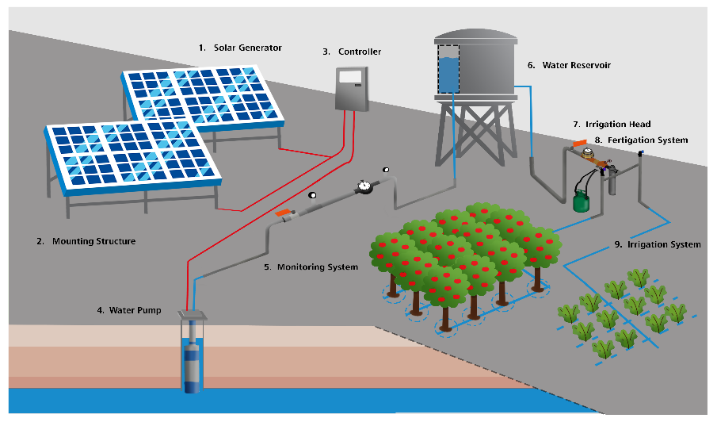
SET UP – Workmanship Quality Checklist |  |  |  | Yes
This checklist is designed for SPIS clients and agricultural extension agents who want to verify the quality of workmanship for an SPIS installation. The checklist helps to assess if the quality of installation adheres to best practices, safety requirements and overall installation sustainability. It does not replace the detailed component compliance, performance verification and workmanship checklist of the installer or an external inspector. |  |  |  | No
Farm name:
SPIS supplier name:
SPIS installer name:
Inspection date:
 |  | Yes or No? | Comment and feedback to installer
0. General | Did the farm manager receive written instructions on the operation and maintenance of the SPIS components? | No
0. General | Did the farmer receive on-site training on operation, maintenance and potential troubleshooting of the SPIS components? | No
0. General | Did the farmer receive contact details for technicians and other technical support? | No
0. General | Component compliance: are all the components installed (type, brand, size, etc.) exactly the same as what was designed/invoiced? | No
0. General | Has an acceptance and system test taken place after installation and do all the components, and the entire system, perform as designed? | No
0. General | Is the installation properly protected from theft, stray animals, vandalism etc? Is the fence high, strong enough? | No
0. General | Have the solar panels been clearly and prominently marked (on the underside) with the owner or location details or other unique identification? | No
0. General | Have the serial numbers of key components been recorded in order to clearly claim ownership in the event of theft? | No
1. Solar Generator | Are the solar panels of good quality and free from cracks, brown spots, burn marks, other abnormalities? | No
1. Solar Generator | Is the solar panel cabling of good quality with no loose, unsealed or hanging cables? No exposed copper wire visible? No cables exposed to weather (sun/rain)? | No
1. Solar Generator | Are the solar panels securely mounted (no loose or missing bolts) on the mounting structure? | No
2. Mounting structure | Are solar panels well placed with no risk of shade or shadow in the future (e.g. small trees)? Have any objects that might shadow the solar panels been removed? | No
2. Mounting structure | Is there enough space between the panels and other components to allow proper maintenance (e.g. cleaning of solar panels)? | No
2. Mounting structure | Are metal frames free from any signs of corrosion or rust? Note: metal frames should not touch the aluminum solar panel frames as this might increase the risk of galvanic corrosion. | No
2. Mounting structure | Is the mounting structure stable and sturdy to withstand strong winds? Are there sufficient cross beams to avoid frame twisting? | No
2. Mounting structure | If the mounting structure is cast into a cement foundation, is the foundation without cracks and cavities? Does the foundation appear strong enough when hitting/kicking it? | No
3. Controller/ Inverter | Are the controller electronics protected against rain, in a rainproof casing or protected from animals/insects and vandals? - Check for signs of inhabitations, tightness of cable-glands, locks | No
3. Controller/ Inverter | Controller cannot over-heat, is not placed in an additional sealed box and is placed with sufficient ventilation around it? | No
3. Controller/ Inverter | Grounding/earthing: Are the vital components of the solar generator protected against lightning? Are grounding cables (usually green/yellow insulation) installed? | No
4. Water pump | Is the pump installation properly protected from theft, stray animals, vandalism, flooding, etc? | No
4. Water pump | Was a good pump installed with a safety rope to allow for safe installation and extraction and is the safety rope secured well at the well base? | No
4. Water pump | Are trees in close proximity to the borehole removed to avoid roots entering and blocking the borehole? | No
4. Water pump | Are the electric cable and water pipe (feeder pipe) exiting the well or borehole protected from chafing and bending or kinks? | No
5. Monitoring system | Are the gauges protected from damage through exposure to weather, people and animals? | No
6. Reservoir | Are feeder pipes leading to and from the reservoir protected against physical damage and securely fastened? Protected against direct sunshine? | No
6. Reservoir | If the reservoir or tank stand is placed onto a concrete foundation, are the foundations free from cracks and cavities? Does the foundation appear strong enough? | No
6. Reservoir | If a tank stand is used, is it securely fixed onto the ground, with sufficient crossbars, to avoid toppling over? | No
6. Reservoir | Can the reservoir be easily maintained (e.g. cleaned from algae and sediments)? - Check for drainage pipes, and easy access to clean the inside | No
6. Reservoir | Is the reservoir closed at the top in order to avoid algae growth (which will clog piping) and reduce evaporation? | No
7. Irrigation head | Can the irrigation head be easily maintained (e.g. accessibility to individual components and means to bypass certain components)? | No
7. Irrigation head | Is the required equipment for maintenance available and easily accessible - Check for storage of brushes, cloths, etc. | No
8. Fertigation system | Is there a proper facility for storage of the chemicals/fertilizers in line with health and safety precautions? | No
9. Irrigation system | Is it possible to easily replace individual components when they get broken? - Check if all the connections can be easily loosened, replaced and fastened | No
9. Irrigation system | Are the drip laterals spaced according to the design and free of kinks and twists? | No
9. Irrigation system | Are all components, connections and fittings securely tightened and are not leaking? | No
Score: |  |  | 0%
NOTE: | Hard water (with high lime content) will cause scaling up and clogging of irrigation pipes and dripper nozzles if the irrigation pipes are exposed to heat (e.g. direct sunshine on black piping). Make sure to bury feeder pipes and protect other pipes and drippers from excessive exposure to heat.
Additional notes:

